Report Details
Report No | Report Name | Business Statements | Attributes | KPIs | SQL Query | SQL Query Output | SQL Query(After Feedback) | SQL Query Output(After Feedback)
1 | Occupancy by room type | To make informed decisions about room types to achieve optimal occupancy. | Room type, Hotel type | count of assigned room type | select HT.hotel_type ,room_type, count(H.assigned_room_type_id) as occupied_rooms from Room_Type R join Hotel_revenue H on H.reserved_room_type_id=R.room_type_id join Hotel_type HT on HT.hotel_type_id=H.hotel_type_id group by R.room_type,HT.hotel_type | 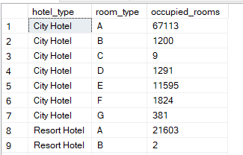
2 | Revenue by meal | Develop strategies to enhance revenue generation. To make informed decisions about meal to maximize revenue. | Meal Year | Revenue | select M.meal, (count(h.meal_id) * sum(M.cost) )as revenue from Meal M join Hotel_Revenue H on M. meal_id = H.meal_id group by M.meal order by 2 | 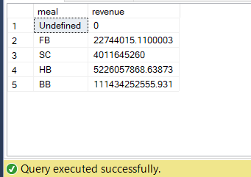 | select M.meal, D.Year,(count(h.meal_id) * sum(M.cost) )as revenue from meal M join hotel_revenue H on M. meal_id = H.meal_id join Date_Table D on D.FullDate=H.reservation_status_date group by M.meal,D.Year order by 3 | 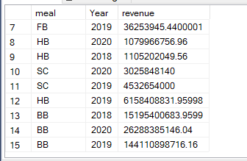
3 | Profit by meal | Identify areas for improvement, and make informed decisions to enhance profitability. | Meal, Year | Profit | select M.meal, ((count(h.meal_id) * sum(M.cost) )- sum(M.cost) )as profit from Meal M join Hotel_Revenue H on M. meal_id = H.meal_id group by M.meal order by 2 | 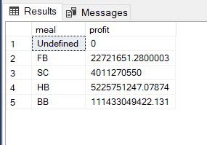 | select M.meal,D.Year,((count(h.meal_id) * sum(M.cost) )- sum(M.cost) )as profit from meal M join hotel_revenue H on M. meal_id = H.meal_id join Date_Table D on D.FullDate=H.reservation_status_date group by M.meal,D.Year order by 3 | 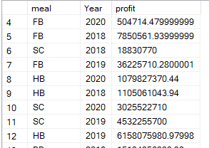
4 | Cancellations by year and market segment | Understand cancellation trends, identify market segments with higher cancellation rates. Make decisions regarding minimize the impact of cancellations. | Market segment Date | Count of cancellation | select MS.market_segment,count(H.reservation_status) Cancelation from market_segment MS join Hotel_Revenue H on MS.market_segment_id = H.market_segment_id join Date_Table D on D.fullDate=H.reservation_status_date where H.reservation_status = 'Canceled' group by MS.Market_segment | 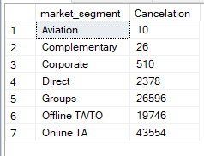 | select MS.market_segment,d.Year,count(H.reservation_status) Cancelation from market_segment MS join hotel_revenue H on MS.market_segment_id = H.market_segment_id join Date_Table D on D.FullDate=H.reservation_status_date where H.reservation_status = 'Canceled' group by MS.Market_segment,d.year | 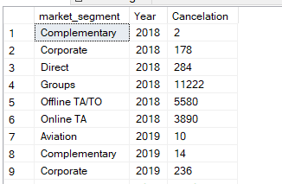
5 | Top 5 agents by reservations | Evaluate the performance of individual agents , identify areas for improvement, and implement strategies to enhance reservations | Agent | Count of reservation status | select top 5 A.agent,count(H.reservation_status) Reservations from Agent A join Hotel_Revenue H on H.agent_id = A.agent_id group by A.agent order by 2 desc; | 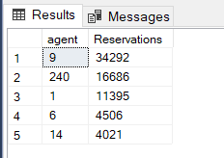
6 | Number of customer category by Customer type | Analyze customer type performance and make decisions on enhancing customers. | Customer type | Sum of children Sum of adults Sum of babies | select C.customer_type, sum(H.children) as children, sum(adults) as adults, sum(babies) as babies from Customer_type C join Hotel_Revenue H on H.customer_type_id = C.customer_type_id group by C.customer_type; | 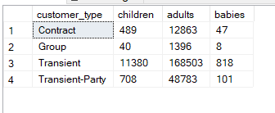
7 | Reservation by month-year | To analyze reservation trends to optimize revenue | Month-year Reservation status | Count of reservation status | select concat((d.Month_Name),'-',(d.Year)) as Month_Year,H.reservation_status,count(H.reservation_status) Reservations from Hotel_Revenue H join Date_Table D on D.fulldate = H.reservation_status_date group by concat((d.Month_Name),'-',(d.Year)),H.reservation_status | 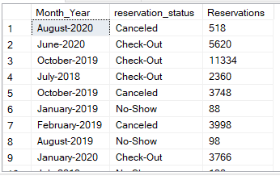
8 | Nights by hotel type | An overview of the overall demand and utilization of different hotel categories. Make informed decisions to optimise revenue and enhancing overall performance. | Hotel type, Month Name Year | Sum of stays in weekday, sum of stays in weekend | select HT.hotel_type, sum(h.stays_in_week_nights) week_nights,sum(H.stays_in_weekend_nights)weekend_nights from Hotel_type HT join Hotel_Revenue H on H.hotel_type_id= HT.hotel_type_id Group by HT.hotel_type |  | select HT.hotel_type, D.Month_Name,D.Year,sum(h.stays_in_week_nights) week_nights,sum(H.stays_in_weekend_nights)weekend_nights from Hotel_type HT join Hotel_Revenue H on H.hotel_type_id= HT.hotel_type_id join Date_Table D on D.FullDate=H.reservation_status_date Group by HT.hotel_type,D.Month_Name,D.Year | 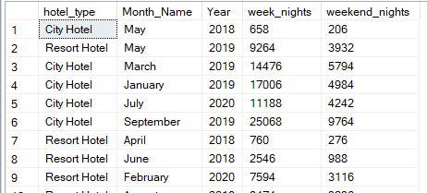
9 | Reservations by distribution channel | Analyze the revenue contribution for different room types on specific dates. make decisions regarding room inventory management and revenue optimization. | Distribution channel, Reservation status | Count of reservation status | select DC.Distribution_channel, H.reservation_status,count(H.reservation_status)as reservations from Distribution_channel DC join Hotel_revenue H on H.distribution_channel_id=DC.Distribution_channel_id group by DC.Distribution_channel,H.reservation_status | 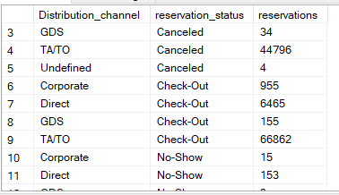
10 | Revenue by country | Analyze the high performing country and make decision to maximize revenue. | Country, Meal | Revenue | select C.country,M.meal, (count(h.meal_id) * sum(H.meal_cost) )as revenue from Country C join hotel_revenue H on H.country_id=C.country_id join Meal M on H.meal_id=M.meal_id group by c.country,M.meal order by 3 desc | 